9-13_Quality_Attributes_
9.Chemical Standard
Test Item |  | EU MRL standard | Contry of Origin MRL Standard | Test Frequency
Lead |  |  | ≤ 0.20 mg/kg | Annually
Cadmium |  |  | ≤ 0.10 mg/kg | Annually
Mercury |  |  | ≤ 0.20 mg/kg | Annually
Arsenic |  |  | ≤ 0.5 mg/kg | Annually
Mycotoxins |  |  | According to test result | Annually
Pesticides |  |  | Not Detected | Annually
pH |  |  | According to test result | Annually
Salt |  |  | According to test result | Annually
Acidity |  |  | According to test result | Annually
Moisture |  |  | ≤ 15g/100g | Each Batch
10.Acrylamide
Are Products at risk of acrylamide? |  |  |  |  | No
If Yes. What mitigation measures are in place to manage acrylamide levels with the food? |  |  |  |  | N/A
11.Radioactivity | *occurs naturally in all food and can be transferred into food in different ways eg crops from soil, drinking water from the earth, Fish and Shellfish from the water or Sea floor.
Has the product/ingredient been irradiated? |  |  |  |  | No
Is the product/ingredient subject to potential radioactive cross contamination? |  |  |  |  | No
If yes, what controls in place |  |  |  |  | N/A
Has the product/ingredient been imported into the UK from a country that has high levels of radioactivity? |  |  |  |  | No
If Yes, how is this controlled and what checks are carried out? |  |  |  |  | N/A
12.Microbiology Standards | *Please insert GB standard
Micro-organisms | Type | EU satisfactory in ready to eat | Contry of Origin Standard | Manufacturer Standard | Test Frequency
TVC | Quality Indicator | <104 | ≤ 10000 cfu/g | <104cfu/g | Each Batch
Escherichia coli | Hygiene indicator | <20 | ≤ 100 cfu/g | <20cfu/g | Each Batch
Enterobacteriaceae | Hygiene indicator | <100
Listeria spp | Hygiene indicator | Not Detected
Listeria monocytogenes | Pathogens | Not Detected
Campylobacter spp. | Pathogens | Not Detected
Escherichia coli O157 | Pathogens | Not Detected | Not Detected | Not Detected | Annually
Salmonella spp. | Pathogens | Not Detected | Not Detected | Not Detected | Annually
Shigella spp. | Pathogens | Not Detected
Vibrio cholera (O1 and O139) | Pathogens | Not Detected
Vibrio parahaemolyticus | Pathogens | <20
Bacillus cereus | Pathogens | <103 | ≤ 100 cfu/g | <103cfu/g | Annually
Bacillus spp. | Pathogens | <103
Clostridium perfringens | Pathogens | <10
Staphylococcus aureus and other coagulase-positive staphylococci | Pathogens | <20 | ≤ 10 cfu/g | <20cfu/g | Annually
13.Acceptance and Rejection standard
Standard Product Photo & Description |  | Rejected Product Photo& Description
IE. Grading, Sizing, Appearance, Flavor/taste, Texture, Colour, smell |  | IE. Grading, Sizing, Appearance, Flavor/taste, Texture, Colour, smell
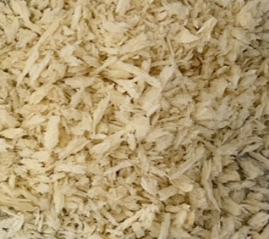 White color, dried powder shape; Characteristic cereal aroma, free from taint or off oduor; Free from taint or foreign matter. |  | Miscellaneous color, dried powder shape; Mildew and miscellaneous odor; Visible foreign matters.

14-16_Quantity&packaging_info
14.Quantity Attributes |  |  |  |  | Product Code
 | Unit (kg) | Case (kg) |  |  | BCC03566
Net Weight | 1 | 12
Gross Weight | 1.022 | 13
Is the product packed in a Protective atmosphere? (if yes, indicate the composition on gases used if applicable) |  |  |  | No
Is the product vacuum packed? |  |  |  | No
Primary Package Plastic Material Comply with Commission Regulation (EU) No 10/2011 |  |  |  | Yes
15.Packaging Weight Dimensions
 | Description/Color | Materials *please indicate the plastic material from below 01-07 | Weight (g) | Dimensions (mm)

Primary： | Plastic bag/black & white | BOPP/LDPE 04 | 22 | L | 450
 |  |  |  | W | 305
 |  |  |  | H
Secondary: | outer carton/brown | corrugated board | 736 | L | 590
 |  |  |  | W | 390
 |  |  |  | H | 340

16.Pallet Configuration
 | EU Pallet Configuration (0.8m x 1.2m) |  | UK Pallet Configuration (1.0m x 1.2m)
Cases per layer | 4 |  | 5
Number of layers | 5 |  | 5
Carton s/pallet | 20 |  | 25
Pallet height (m) | 1.7 |  | 1.7
Pallet weight (kg) | 260.0 |  | 325.0
20FCL Max Load without palletized | 358
40FCL Max Load without palletized | 869
Pallet Top-View |  |  | 
 | *pallet height must lower than 1.75m & weight under 1000kg

17-20_HACCP,Artwork&SpecAuthor_
17.Process Flow Chart- (showing all CCPs)
Please provide in the form a Critical Control Point (CCP), a description of the process/packing operations including processing times tempuratures where applicable and in process Safery Control Checks (CCP Summary) and Quality Checks.
Raw material inspection → dosing → stirring&kneading dough → first fermentation → cutting → rolling → proofing → second fermentation → electric baking → first metal detection → cooling → crush → drying → magnetic detection → bagging → second metal detection → packing → checking → warehouse CCP1 FIRST METAL DETECTION:detect through metal detector after demoulding. Calibrate metal detector before and after each shift and also every 2 hours to keep metal detector in good working condition during production. CCP2 SECOND METAL DETECTION:detect through metal detector after sealing. Calibrate metal detector before and after each shift and also every 2 hours to keep metal detector in good working condition during production.

18.Critical Control Points
CCP | Control Measure |  | Critical Limit | Monitoring Frequency
FIRST METAL DETECTION | Calibrate metal detector once before and after each shift and also every 2 hours; Metal detection Of product is continuous. |  | FeΦ≤2.0mm SUSΦ≤3.0mm Non-FeΦ≤3.0mm | every 2 hours
SECOND METAL DETECTION | Calibrate metal detector once before and after each shift and also every 2 hours;Metal detection Of product is continuous. |  | FeФ≤2.5mm NonFeФ≤3.0mm SUSФ≤2.5mm | every 2 hours
19.Artwork
Inner Label / Package Design artwork |  | Outer Label / Package Design artwork
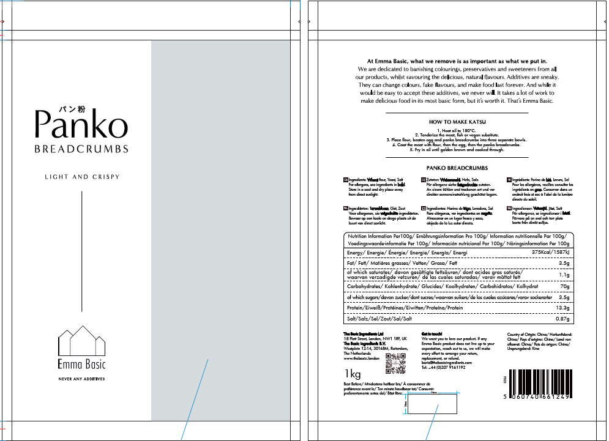 |  | 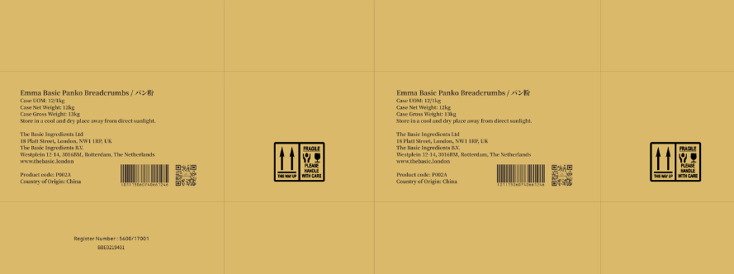

20.Packaging Photos
Finished Product with Primary package | Outer Case (Secondary) |  | Tertiary
 |  |  | N/A
Specification Authorization
1.Product to be supplied in accordance with this agreed specification. No changes are to be made without prior knowledge and prior written agreement of The Basic Ingredients Ltd. 2.The contents of this specification are confidential and should not be disclosed to a third party without a written approval of The Basic Ingredients Ltd. 3. Product must be fit for purpose of the nature and substance stated in this specification and free from foreign body. 4. The raw materials used in this product fulfil the requirements described in the Regulation 1881/2006/EC related to contaminants in foodstuffs, the Regulation 396/2005/EC related to pesticides in foodstuffs, and their amendments. 5. The product has not been treated with ionising radiation and does not contain any irradiated ingredients- Regulated under Directive 1999/2/EC and Directive 1999/3/EC. 6. This product does not contain ingredients that contain GMO or consist of GMO or were produced from GMO - Regulated under Regulation (EC) No 1829/2003, Regulation (EC) No 1830/2003, and their amendments. 7. Products to be delivered using suitable transport in the stated conditions (i.e. ambient, chilled, frozen). 8. The information on this specification can be used without reservation to advise customers with food allergies, intolerances or aversions, especially those who may die from an anaphylactic reaction to traces of ingredients. 9. All materials intended to come into contact with foods complies with European regulations: Regulation (EC) No. 1935/2004, Regulation (EC) No. 2023/2006, Regulation (EU) No. 10/2011, Directives 82/711/EEC, 85/572/EEC, 2002/72/EEC (and the relevant amendments).
Manufacture Name | Guangdong Beary Foodstuff Co., Ltd.
Signature | Tim
Print Name | Tim
Position in Company | Import & Export Specialist
Date | 2025.11.19

The Basic ingredients team use only
Signature | Ling Hsuan Chiu
Print Name | Ling Hsuan Chiu
Position in Company | Procurement Manager
Date | 2025-12-16

